Tilt Calculator
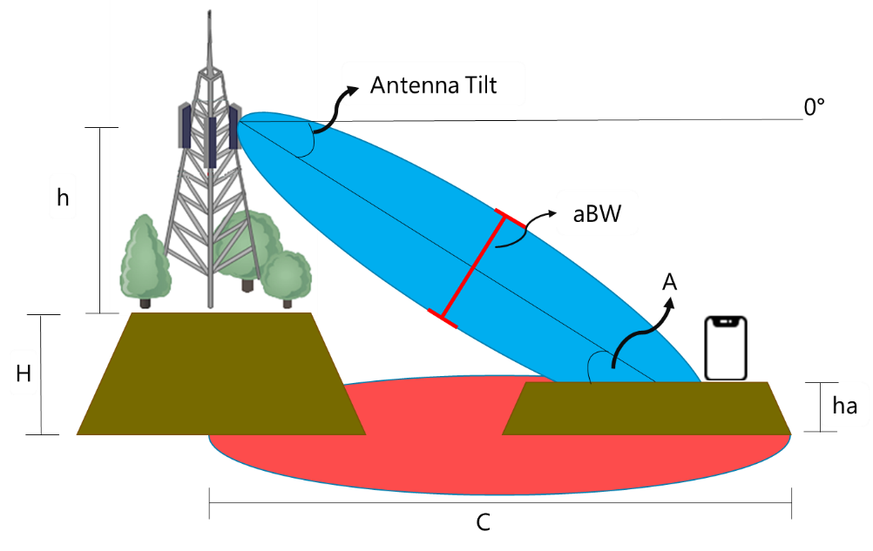
Parameter | Value | Unit | In Map
Site Elevation | 75 | m | H
Antenna Height from Ground | 20 | m | h
Area Elevation | 70 | m | ha
Cell Raduis | 500 | m | C
Antenna Vertical Beamwidth | 15 | Degree | aBW
Antenna Electrical Downtilt | 2 | Degree
Total Antenna Height | 95 | m
Difference in Elevation | 25 | m
Angle of Incidence | 0.050 | Radian | A
Angle of Incidence | 2.862 | Degree | A
Angle of 3dB Coverage | 8.362 | Degree

